Case 1
Case 1
Flow into a long excavation

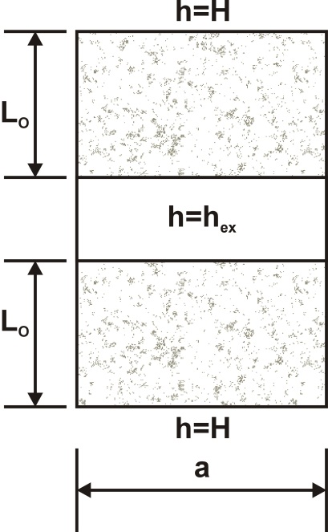

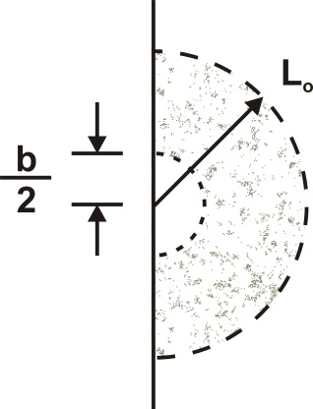

Units are labels only; the user must specify consistent units

Parameter | Units | Value | User-specified units
Hydraulic conductivity, K | L/T | 1.00E-05 | m/s
Elevation of base of aquifer, zbot | L | 548.5 | m
Thickness of aquifer where confined, D | L | 10.0 | m
Distance from outside of long excavation to constant-head boundary, L0 | L | 250.0 | m
Rectangular excavation length, a (a>>b) | L | 500.0 | m | a/b=25
Rectangular excavation width, b | L | 20.0 | m
Head at the constant-head boundary, H | L | 567.0 | m
Head in the excavation, hex | L | 550.0 | m

Result
Calculated inflow, Q | L3/T | 1.103E-02 | m3/s

Case 2
Case 2
Flow into an approximately rectangular excavation with a distant recharge boundary

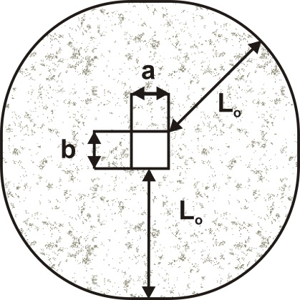

Units are labels only; the user must specify consistent units

Parameter | Units | Value | User-specified units
Hydraulic conductivity, K | L/T | 1.00E-05 | m/s
Elevation of base of aquifer, zbot | L | 548.5 | m
Thickness of aquifer where confined, D | L | 10.0 | m
Distance from outside of long excavation to constant-head boundary, L0 | L | 250.0 | m
Rectangular excavation length, a (a≈b) | L | 30.0 | m
Rectangular excavation width, b | L | 30.0 | m
Equivalent radius based on equal area, req | L | 16.9 | m
Equivalent radius based on equal perimeter, req | L | 19.1 | m
Head at the constant-head boundary, H | L | 567.0 | m
Head in the excavation, hd | L | 550.0 | m

Result
Calculated inflow, Q | L3/T | 3.967E-03 | m3/s
Calculated inflow, Q (2) | L3/T | 4.153E-03 | m3/s

Case 3
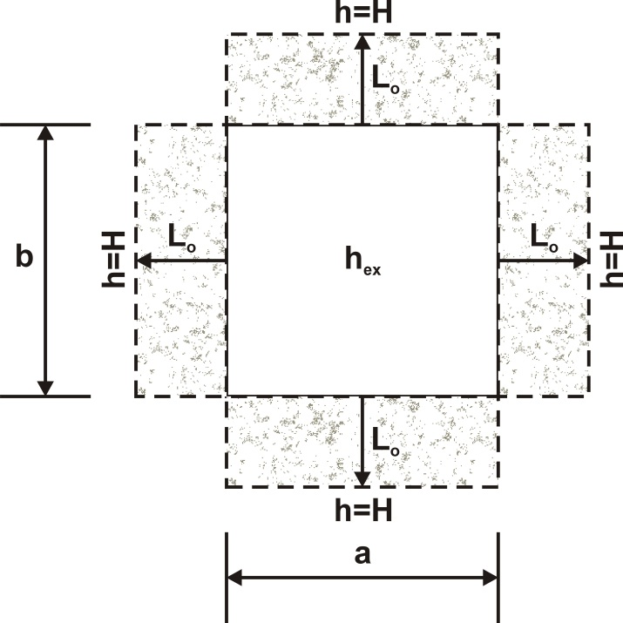
Case 3
Flow into an approximately rectangular excavation with a nearby recharge boundary

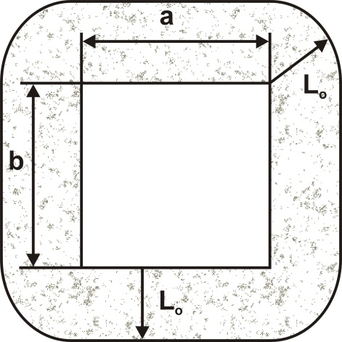

Units are labels only; the user must specify consistent units

Parameter | Units | Value | User-specified units
Hydraulic conductivity, K | L/T | 1.00E-05 | m/s
Elevation of base of aquifer, zbot | L | 548.5 | m
Thickness of aquifer where confined, D | L | 10.0 | m
Distance from outside of long excavation to constant-head boundary, L0 | L | 50.0 | m
Rectangular excavation length, a (a≈b) | L | 900.0 | m
Rectangular excavation width, b | L | 900.0 | m
Head at the constant-head boundary, H | L | 567.0 | m
Head in the excavation, hd | L | 550.0 | m

Result
Calculated inflow, Q | L3/T | 1.277E-01 | m3/s

